Лист1
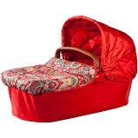
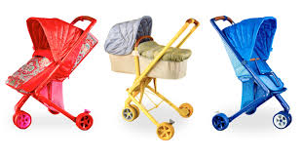
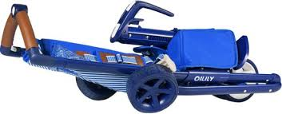
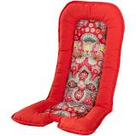
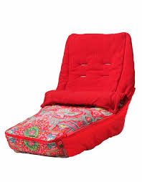
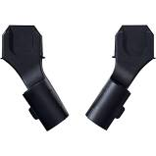
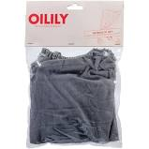
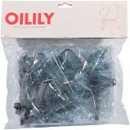
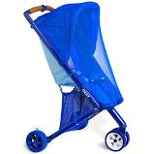
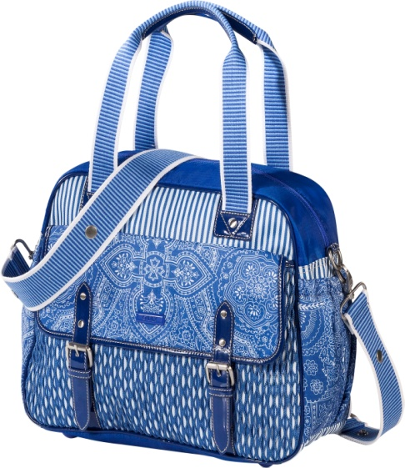
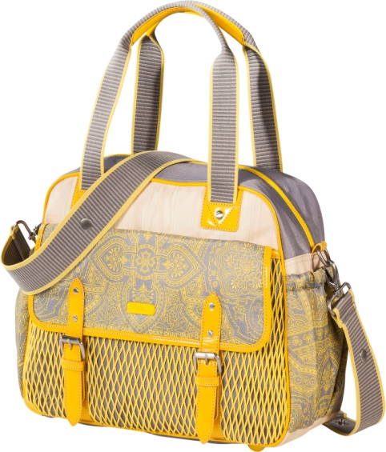
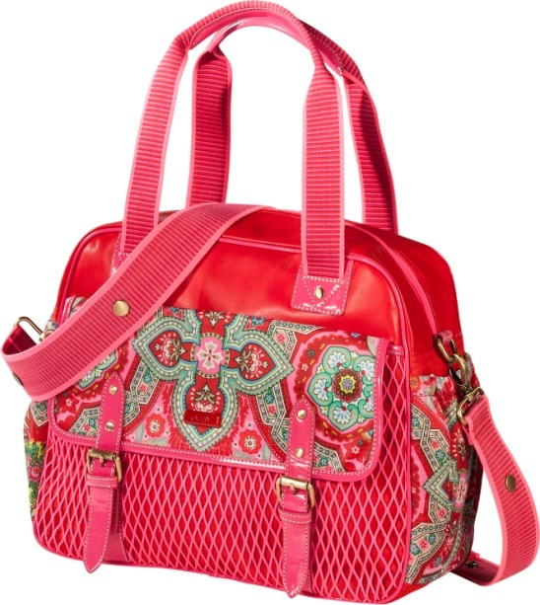
 |  | Oilily

Photo | Article number or/and HS code | DESCRIPTION | DESCRIPTION | Quantity Bonded (duty free) | Quantity Duty paid | Total | RRP EUR | retail value | EUR/pcs | wholesale 2.0 | Euro/pcs.
v | D 9006-8715009000 | Buggy | buggy | 3204 | 842 | 4046 | 399 | 1,614,354 | 399,o | 807,177 | 199,50
v | BU200.000-8715009000 | Reis wieg | carrycot | 954 | 784 | 1738 | 199 | 345,862 | 199,o | 172,931 | 99,50
v | BUS 110.06-8715009000 | Voetenzak | foot muff | 1900 | 885 | 2785 | 99 | 275,715 | 92,53 | 137,858 | 49,50
v | BU300.000 / 4202125000 | Luiertas | diaperbag | 4080 | 73 | 4153 | 149 | 618,797 | 149,0 | 309,399 | 74,50
v | BUS 110.07-8715009000 | Zitkussen | head seat cushion | 1934 | 876 | 2810 | 59 | 165,790 | 59,0 | 82,895 | 29,50
v | BUS110.05-8715009000 | Muggennet | mosquito net | 491 | 980 | 1471 | 39 | 57,369 | 39,0 | 28,685 | 19,50
v | BUS110.04-8715009000 | Regenkap | rain cover | 1900 | 993 | 2893 | 29 | 83,897 | 29,0 | 41,949 | 14,50
v | BU700.100-8715009000 | Maxi cosi adapter | maxi cosi adapter | 850 | 463 | 1313 | 29 | 38,077 | 29,0 | 19,039 | 14,50
v | BU700.200-8715009000 | Britax adapter | britax adapter | 450 | 496 | 946 | 29 | 27,434 | 29,0 | 13,717 | 14,50

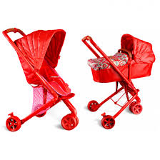
 |  |  |  |  |  | 22155 |  | 3,227,295 |  | 1,613,648

